Roughness
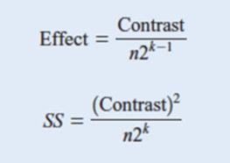
Treatment Combination | Factorial Effect |  |  |  |  |  |  |  | Surface Roughness |  | Totals
 | I | A | B | C | AB | AC | BC | ABC | #1 | #2
(1) | 1 | -1 | -1 | -1 | 1 | 1 | 1 | -1 | 9 | 7 | 16
a | 1 | 1 | -1 | -1 | -1 | -1 | 1 | 1 | 10 | 12 | 22
b | 1 | -1 | 1 | -1 | -1 | 1 | -1 | 1 | 9 | 11 | 20
ab | 1 | 1 | 1 | -1 | 1 | -1 | -1 | -1 | 12 | 15 | 27
c | 1 | -1 | -1 | 1 | 1 | -1 | -1 | 1 | 11 | 10 | 21 | n = | 2 | no. of test
ac | 1 | 1 | -1 | 1 | -1 | 1 | -1 | -1 | 10 | 13 | 23 | k = | 3 | no. of variables
bc | 1 | -1 | 1 | 1 | -1 | -1 | 1 | -1 | 10 | 8 | 18 | Average = | 11.0625
abc | 1 | 1 | 1 | 1 | 1 | 1 | 1 | 1 | 16 | 14 | 30

Contrast |  | A | B | C | AB | AC | BC | ABC
 |  | -16 | -16 | -16 | 16 | 16 | 16 | -16
 |  | 22 | -22 | -22 | -22 | -22 | 22 | 22
 |  | -20 | 20 | -20 | -20 | 20 | -20 | 20
 |  | 27 | 27 | -27 | 27 | -27 | -27 | -27
 |  | -21 | -21 | 21 | 21 | -21 | -21 | 21
 |  | 23 | -23 | 23 | -23 | 23 | -23 | -23
 |  | -18 | 18 | 18 | -18 | -18 | 18 | -18
 |  | 30 | 30 | 30 | 30 | 30 | 30 | 30
 |  | 27 | 13 | 7 | 11 | 1 | -5 | 9 |  | =SUM(C13:C20)
Effect |  | 3.375 | 1.625 | 0.875 | 1.375 | 0.125 | -0.625 | 1.125 |  | =C21/($N7*2^($N8-1))
Sum Square |  | 45.5625 | 10.5625 | 3.0625 | 7.5625 | 0.0625 | 1.5625 | 5.0625 |  | =C21^2/($N7*2^$N8)

Regression Model: y_predict = ß0 + ß1 x1 + ß2 x2 + ß12 x1 x2
y_predict = | 11.0625 + 1.6875 x1 + 0.8125 x2 + 0.6875 x1 x2
(x1, x2, x3) = (-1, -1, -1)
y_predict = | 9.25

 |  | A | B | C | AB | AC | BC | ABC | y_predict
 |  | -1 | -1 | -1 | 1 | 1 | 1 | -1 | 8
 |  | 1 | -1 | -1 | -1 | -1 | 1 | 1 | 11
 |  | -1 | 1 | -1 | -1 | 1 | -1 | 1 | 10
 |  | 1 | 1 | -1 | 1 | -1 | -1 | -1 | 13.5
 |  | -1 | -1 | 1 | 1 | -1 | -1 | 1 | 10.5
 |  | 1 | -1 | 1 | -1 | 1 | -1 | -1 | 11.5
 |  | -1 | 1 | 1 | -1 | -1 | 1 | -1 | 9
 |  | 1 | 1 | 1 | 1 | 1 | 1 | 1 | 15
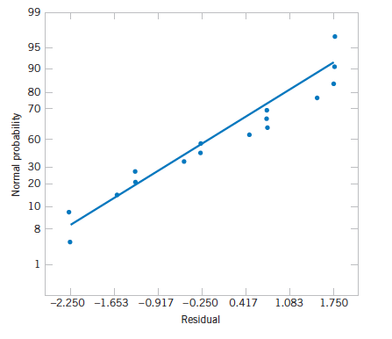
 |  |  |  |  |  |  |  |  | Error
 |  |  |  |  |  |  |  |  | #1 | #2
 |  |  |  |  |  |  |  |  | 1 | -1
 |  |  |  |  |  |  |  |  | -1 | 1
 |  |  |  |  |  |  |  |  | -1 | 1
 |  |  |  |  |  |  |  |  | -1.5 | 1.5
 |  |  |  |  |  |  |  |  | 0.5 | -0.5
 |  |  |  |  |  |  |  |  | -1.5 | 1.5
 |  |  |  |  |  |  |  |  | 1 | -1 | SSE
 |  |  |  |  |  |  |  |  | 1 | -1 | 19.5 | =SUMSQ(J41:K48)
 |  | no. of level - 1
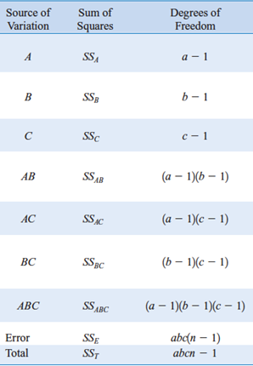
Analysis of Variance
Source of Variation | Sum Square | d.f. | Mean Square | f0 | P-Value | α=0.1
A | 45.5625 | 1 | 45.5625 | 18.692307692 | 0.0025342183793 | * | =F.DIST.RT(E52, C52, $C$59)
B | 10.5625 | 1 | 10.5625 | 4.3333333333 | 0.070931245154 | *
C | 3.0625 | 1 | 3.0625 | 1.2564102564 | 0.29484895931
AB | 7.5625 | 1 | 7.5625 | 3.1025641026 | 0.11619707388
AC | 0.0625 | 1 | 0.0625 | 0.025641025641 | 0.87674946428
BC | 1.5625 | 1 | 1.5625 | 0.64102564103 | 0.44646291991
ABC | 5.0625 | 1 | 5.0625 | 2.0769230769 | 0.18751226181
Error | 19.5 | 8 | 2.4375
Total |  | 15
 |  | 15 | =2*2*2*2-1

Regression Model: y_predict = ß0 + ß1 x1 + ß2 x2 + ß12 x1 x2
y_predict = | 11.0625 + 1.6875 x1 + 0.8125 x2 + 0.6875 x1 x2
(x1, x2, x3) = (-1, -1, -1)
y_predict = | 8.5625 |  |  |  |  |  |  |  | Because A and B are signigicant, the rest is not, only variable we have to take into account of the regressioin model calculation limits to A and B

